Sheet1
SKU No | Description | UPC | Available
100 | OVER THE TOP | 490520635736 | 536
105 | ALL ABOUT THAT BASE | 490520635743 | 2844
122 | D&I IN THE TANK | 490520600505 | 2347
142 | D&I BEHIND CLOSED DOORS | 490520611495 | 781
143 | D&I NC CHOPPING BLOCK | 490520611532 | 1804
144 | D&I NC PACK YOUR KNIVES | 490520611624 | 2019
153 | D&I NEXT SEASON ON | 490520600499 | 2603
156 | D&I NC SPOILER ALERT | 490520611655 | 2098
165 | PINKY SWEAR | 490520635866 | 1515
170 | NEWLYWEDS | 490520635873 | 234
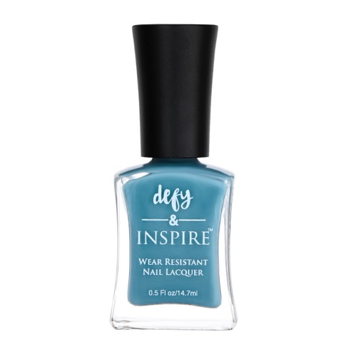
182 | D&I NC BACHELOR NATION | 490520611716 | 1753
184 | D&I NC FANTASY BRACKET | 490520611761 | 980
187 | D&I VIEWING PARTY | 490520600406 | 266
192 | D&I NC AFTER THE ROSE | 490520611785 | 811
220 | THE FINAL ROSE | 490520635972 | 1397
230 | BRIDEZILLA | 490520635996 | 518
235 | CONFESSIONAL | 490520636009 | 86
246 | D&I NC SUBLEBRITY | 490520609447 | 1110
260 | LAGUNA BEACH | 490520636054 | 1836
262 | D&I NC ROCK OF LOVE | 490520611891 | 1873
266 | D&I NC SHIP HAPPENS | 490520611938 | 1498
275 | PARADISE ISLAND | 490520636092 | 1246
290 | FANTASY SUITE | 490520636122 | 3162
295 | AUF WIEDERSEHEN | 85239247167 | 110
505 | LAKESIDE | 490520603759 | 12
510 | NEW FRIENDS | 490520603902 | 2192
511 | WELL DONE | 490520606712 | 2793
512 | NO RAIN JUST FLOWERS | 490520609157 | 7152
513 | JUST CHILLING | 490520609270 | 2243
515 | MAKE MY DAY | 490520609478 | 229
516 | BEACH BUM | 490520609614 | 2192
517 | MIRACLES DO HAPPEN | 490520609683 | 1158
518 | LUCKY CHARM | 490520609805 | 684
519 | BRIGHT EYES | 490520609881 | 1256
520 | CRAZY KIND OF BEAUTIFUL | 490520610085 | 1391
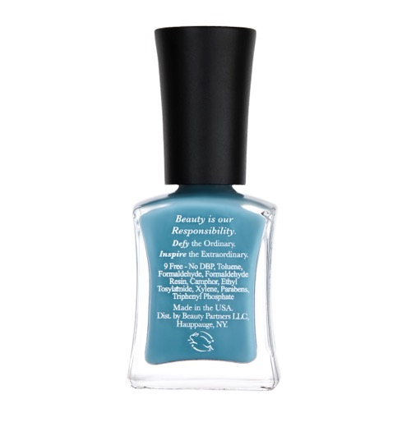
521 | HOPE IN A BOTTLE | 490520610122 | 1031
522 | SUGARPLUM | 490520610214 | 1166
523 | AMBERLIGHT | 490520610252 | 768
532 | SO FLY | 829576049592 | 7236
534 | SO FETCH | 829576049332 | 3016
536 | CHOCOLATE COVERED | 829576049455 | 4795
537 | SNOW DAZE | 829576049417 | 3510
578 | A+EFFORT | 829576110711 | 866
579 | TEACHERS RULE | 829576110728 | 671
580 | FRIDAY NIGHT LIGHTS | 829576110735 | 348
581 | HOMECOMING QUEEN | 829576110759 | 1068
582 | BEST FRIENDS FOREVER | 829576110780 | 998
583 | GRADUATION DAY | 829576110773 | 632
584 | SPIRIT WEEK | 829576110964 | 974
585 | HOT TO TROT | 829576114917 | 5524
593 | SUR LA MAR | 85239212660 | 44
150K | GAUNTLET | 490520635835 | 1404
535K | YES YOU CAN | 829576049479 | 611
584A | GLITZ N GLAM | 829576114900 | 3402
585A | JUST PEACHY | 829576114887 | 600

 | VITA FIT

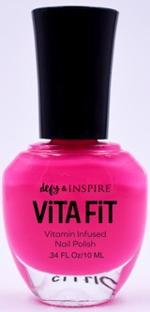
5000 | BETTER SORE THAN SORRY | 490520610634 | 1647
5001 | NO PAIN NO GAIN | 490520610641 | 2885
5009 | CHALLENGE YOUR LIMITS | 490520610894 | 2367
5020 | FITALICIOUS | 490520611556 | 4897
5021 | SWEAT IS LIQUID AWESOME | 490520611594 | 2241
5022 | STOP MAKING EXCUSES | 490520611648 | 13851
5023 | SWEATSMILEREPEAT | 829576095230 | 2335
5028 | WORK IN PROGRESS | 490520612157 | 3104
5030 | VICTORY LAP | 490520612522 | 1326
5031 | I LOVE ME | 490520612539 | 95
5054 | HUSTLE HARD | 829576114931 | 5499
5055 | GREEN MEANS GO | 829576114948 | 2576

 | LIPSTICK

L01 | DAY DREAMER LIP | 490520615981 | 1335
L02 | LAUGH-A-LATTE LIP | 490520615998 | 1123
L03 | CHECKMATE LIP | 490520614458 | 1920
L05 | DO MORE LIP | 490520615509 | 313
L11 | STAND TALL LIP | 490520615103 | 943
L12 | BOSS LADY LIP | 490520615097 | 895
L13 | THE BEST LIP | 490520615073 | 1804
L15 | FEARLESS LIP | 490520614304 | 1468
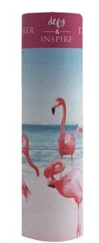
L17 | SKYS THE LIMIT LIP | 490520613307 | 1073
L18 | RISE & ROAR LIP | 490520612966 | 653
L19 | EXPLORER LIP | 490520612614 | 1314
L20 | RISE TOGETHER LIP | 490520612584 | 1542
N03 | CHECKMATE NAIL | 490520615868 | 868
N11 | STAND TALL NAIL POLISH | 490520615738 | 329
N13 | THE BEST NAIL | 490520615707 | 324
N20 | RISE TOGETHER NAIL | 490520612591 | 1618

 |  |  | 153738

